Diff Index
date | NEW PCA_Cross
Feb-07 | 57 | 50
Mar-07 | 54 | 50
Apr-07 | 60 | 50
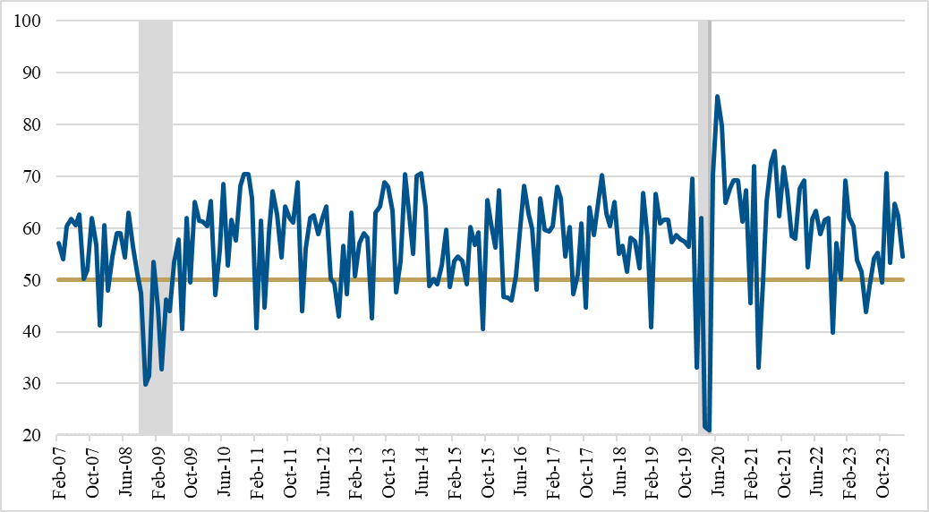
May-07 | 62 | 50
Jun-07 | 61 | 50
Jul-07 | 63 | 50
Aug-07 | 50 | 50
Sep-07 | 52 | 50
Oct-07 | 62 | 50
Nov-07 | 57 | 50
Dec-07 | 41 | 50
Jan-08 | 61 | 50
Feb-08 | 48 | 50
Mar-08 | 55 | 50
Apr-08 | 59 | 50
May-08 | 59 | 50
Jun-08 | 54 | 50
Jul-08 | 63 | 50
Aug-08 | 56 | 50
Sep-08 | 51 | 50
Oct-08 | 48 | 50
Nov-08 | 30 | 50
Dec-08 | 32 | 50
Jan-09 | 53 | 50
Feb-09 | 44 | 50
Mar-09 | 33 | 50
Apr-09 | 46 | 50
May-09 | 44 | 50
Jun-09 | 53 | 50
Jul-09 | 58 | 50
Aug-09 | 41 | 50
Sep-09 | 62 | 50
Oct-09 | 50 | 50
Nov-09 | 65 | 50
Dec-09 | 61 | 50
Jan-10 | 61 | 50
Feb-10 | 60 | 50
Mar-10 | 65 | 50
Apr-10 | 47 | 50
May-10 | 56 | 50
Jun-10 | 69 | 50
Jul-10 | 53 | 50
Aug-10 | 62 | 50
Sep-10 | 58 | 50
Oct-10 | 68 | 50
Nov-10 | 70 | 50
Dec-10 | 70 | 50
Jan-11 | 66 | 50
Feb-11 | 41 | 50
Mar-11 | 61 | 50
Apr-11 | 45 | 50
May-11 | 59 | 50
Jun-11 | 67 | 50
Jul-11 | 63 | 50
Aug-11 | 54 | 50
Sep-11 | 64 | 50
Oct-11 | 62 | 50
Nov-11 | 61 | 50
Dec-11 | 69 | 50
Jan-12 | 44 | 50
Feb-12 | 56 | 50
Mar-12 | 62 | 50
Apr-12 | 62 | 50
May-12 | 59 | 50
Jun-12 | 62 | 50
Jul-12 | 64 | 50
Aug-12 | 50 | 50
Sep-12 | 49 | 50
Oct-12 | 43 | 50
Nov-12 | 57 | 50
Dec-12 | 47 | 50
Jan-13 | 63 | 50
Feb-13 | 51 | 50
Mar-13 | 57 | 50
Apr-13 | 59 | 50
May-13 | 58 | 50
Jun-13 | 43 | 50
Jul-13 | 63 | 50
Aug-13 | 64 | 50
Sep-13 | 69 | 50
Oct-13 | 68 | 50
Nov-13 | 63 | 50
Dec-13 | 48 | 50
Jan-14 | 54 | 50
Feb-14 | 70 | 50
Mar-14 | 64 | 50
Apr-14 | 55 | 50
May-14 | 70 | 50
Jun-14 | 70 | 50
Jul-14 | 64 | 50
Aug-14 | 49 | 50
Sep-14 | 50 | 50
Oct-14 | 49 | 50
Nov-14 | 53 | 50
Dec-14 | 60 | 50
Jan-15 | 49 | 50
Feb-15 | 54 | 50
Mar-15 | 54 | 50
Apr-15 | 54 | 50
May-15 | 49 | 50
Jun-15 | 60 | 50
Jul-15 | 57 | 50
Aug-15 | 59 | 50
Sep-15 | 41 | 50
Oct-15 | 65 | 50
Nov-15 | 61 | 50
Dec-15 | 56 | 50
Jan-16 | 67 | 50
Feb-16 | 47 | 50
Mar-16 | 47 | 50
Apr-16 | 46 | 50
May-16 | 51 | 50
Jun-16 | 59 | 50
Jul-16 | 68 | 50
Aug-16 | 63 | 50
Sep-16 | 60 | 50
Oct-16 | 48 | 50
Nov-16 | 66 | 50
Dec-16 | 60 | 50
Jan-17 | 59 | 50
Feb-17 | 60 | 50
Mar-17 | 68 | 50
Apr-17 | 66 | 50
May-17 | 55 | 50
Jun-17 | 60 | 50
Jul-17 | 47 | 50
Aug-17 | 51 | 50
Sep-17 | 61 | 50
Oct-17 | 45 | 50
Nov-17 | 64 | 50
Dec-17 | 59 | 50
Jan-18 | 65 | 50
Feb-18 | 70 | 50
Mar-18 | 63 | 50
Apr-18 | 60 | 50
May-18 | 65 | 50
Jun-18 | 55 | 50
Jul-18 | 57 | 50
Aug-18 | 52 | 50
Sep-18 | 58 | 50
Oct-18 | 57 | 50
Nov-18 | 52 | 50
Dec-18 | 67 | 50
Jan-19 | 58 | 50
Feb-19 | 41 | 50
Mar-19 | 67 | 50
Apr-19 | 61 | 50
May-19 | 62 | 50
Jun-19 | 62 | 50
Jul-19 | 57 | 50
Aug-19 | 59 | 50
Sep-19 | 58 | 50
Oct-19 | 57 | 50
Nov-19 | 56 | 50
Dec-19 | 70 | 50
Jan-20 | 33 | 50
Feb-20 | 62 | 50
Mar-20 | 22 | 50
Apr-20 | 21 | 50
May-20 | 70 | 50
Jun-20 | 85 | 50
Jul-20 | 80 | 50
Aug-20 | 65 | 50
Sep-20 | 68 | 50
Oct-20 | 69 | 50
Nov-20 | 69 | 50
Dec-20 | 61 | 50
Jan-21 | 67 | 50
Feb-21 | 46 | 50
Mar-21 | 72 | 50
Apr-21 | 33 | 50
May-21 | 50 | 50
Jun-21 | 65 | 50
Jul-21 | 73 | 50
Aug-21 | 75 | 50
Sep-21 | 62 | 50
Oct-21 | 72 | 50
Nov-21 | 67 | 50
Dec-21 | 58 | 50
Jan-22 | 58 | 50
Feb-22 | 68 | 50
Mar-22 | 69 | 50
Apr-22 | 53 | 50
May-22 | 62 | 50
Jun-22 | 63 | 50
Jul-22 | 59 | 50
Aug-22 | 62 | 50
Sep-22 | 62 | 50
Oct-22 | 40 | 50
Nov-22 | 57 | 50
Dec-22 | 50 | 50
Jan-23 | 69 | 50
Feb-23 | 62 | 50
Mar-23 | 60 | 50
Apr-23 | 54 | 50
May-23 | 52 | 50
Jun-23 | 44 | 50
Jul-23 | 49 | 50
Aug-23 | 54 | 50
Sep-23 | 55 | 50
Oct-23 | 50 | 50
Nov-23 | 71 | 50
Dec-23 | 53 | 50
Jan-24 | 65 | 50
Feb-24 | 62 | 50
Mar-24 | 54 | 50

Supply and Demand
Date | PCE_annual | Supply | Ambiguous | Demand
2010 | 1.9614803238 | 0.85985829954 | 0.41594591246 | 0.68567611185
2010 Q2 | 1.9891653197 | 0.70421398829 | 0.37030010656 | 0.91465122487
2010 Q3 | 1.8263486219 | 0.53781121285 | 0.16755543558 | 1.1209819734
2010 Q4 | 1.5244704729 | 0.22287807266 | 0.097879169756 | 1.2037132305
2011 | 1.8813189336 | 0.68530278837 | 0.087739412409 | 1.1082767328
2011 Q2 | 2.4291209462 | 1.3822470798 | 0.10604654531 | 0.940827321
2011 Q3 | 2.3816787163 | 1.446208443 | 0.14536862218 | 0.79010165115
2011 Q4 | 2.1705631447 | 1.8186157656 | 0.15313890472 | 0.19880847433
2012 | 1.8223647207 | 1.4130316002 | 0.18169545678 | 0.22763766371
2012 Q2 | 1.3498217769 | 0.82470237037 | 0.28400606426 | 0.24111334226
2012 Q3 | 1.2346370786 | 0.75827282314 | 0.19262728609 | 0.28373696937
2012 Q4 | 1.0031816572 | 0.346423847 | 0.27771837166 | 0.37903943854
2013 | 1.2029149804 | 0.32346038933 | 0.34302682655 | 0.53642776454
2013 Q2 | 1.1644276593 | 0.35727684277 | 0.27991771011 | 0.5272331064
2013 Q3 | 1.3659752073 | 0.36973561651 | 0.33522930571 | 0.66101028503
2013 Q4 | 1.3068460243 | 0.43119597822 | 0.24152408537 | 0.63412596072
2014 | 1.4248258169 | 0.32749817491 | 0.29332451883 | 0.80400312315
2014 Q2 | 1.9253056737 | 0.5406240248 | 0.40784690476 | 0.97683474412
2014 Q3 | 1.8497480631 | 0.6508808702 | 0.42728670247 | 0.77158049043
2014 Q4 | 1.8557986224 | 0.81325389054 | 0.14356202241 | 0.89898270947
2015 | 0.96023202243 | 0.72897485389 | 0.059479032869 | 0.17177813567
2015 Q2 | 0.69673748141 | 0.70641868262 | -0.041233500897 | 0.031552299692
2015 Q3 | 0.89175892026 | 0.6384956408 | -0.050943301194 | 0.30420658065
2015 Q4 | 0.78845896504 | 0.51405611648 | 0.33146764299 | -0.057064794433
2016 | 1.0805276546 | 0.59718303036 | 0.41474950967 | 0.068595114528
2016 Q2 | 1.0186845198 | 0.36760246379 | 0.6394439023 | 0.011638153752
2016 Q3 | 0.61770315598 | 0.26116458878 | 0.61487532715 | -0.25833675995
2016 Q4 | 0.95468434558 | 0.44771073788 | 0.51941941185 | -0.012445804142
2017 | 1.3386838384 | 0.53314185515 | 0.35452390174 | 0.45101808148
2017 Q2 | 1.0308339501 | 0.32102451282 | 0.09894741395 | 0.6108620233
2017 Q3 | 1.0034106365 | 0.22937130089 | 0.068526106163 | 0.7055132294
2017 Q4 | 1.2458613925 | 0.46111663016 | 0.05305937811 | 0.73168538426
2018 | 1.2692742149 | 0.5991298084 | 0.12235971062 | 0.54778469586
2018 Q2 | 1.7268014535 | 1.1207579328 | 0.23920530199 | 0.36683821869
2018 Q3 | 1.9800750013 | 1.3143419367 | 0.36558647499 | 0.30014658968
2018 Q4 | 1.5109772915 | 1.0805046418 | 0.44003145571 | -0.0095588059433
2019 | 1.4111803634 | 0.84637388328 | 0.54612527056 | 0.018681209598
2019 Q2 | 1.681532705 | 1.204450681 | 0.43245015585 | 0.044631868203
2019 Q3 | 1.600522078 | 1.1830632881 | 0.42567774687 | -0.0082189569837
2019 Q4 | 1.9101681005 | 1.081766544 | 0.37314306577 | 0.45525849069
2020 | 1.6406351241 | 1.2991744072 | 0.29437533012 | 0.047085386795
2020 Q2 | -0.14516945089 | 0.76975056473 | 0.34360444375 | -1.2585244594
2020 Q3 | 0.36561300351 | 0.75236464066 | 0.28592364805 | -0.6726752852
2020 Q4 | 0.57018072988 | 0.85624486852 | 0.40263641261 | -0.68870055126
2021 | 1.1834818864 | 0.5562872057 | 0.85457361649 | -0.22737893583
2021 Q2 | 3.0384698684 | 0.65319439514 | 0.97262239028 | 1.412653083
2021 Q3 | 3.4268547906 | 0.98708637849 | 1.0097631215 | 1.4300052906
2021 Q4 | 4.1386749602 | 1.5052350498 | 1.0439440689 | 1.5894958415
2022 | 5.1420245497 | 2.4836250156 | 0.50713175364 | 2.1512677805
2022 Q2 | 6.2544753686 | 2.9806127974 | 0.86604669022 | 2.407815881
2022 Q3 | 5.8026362757 | 3.0023714796 | 0.9960907638 | 1.8041740322
2022 Q4 | 5.3145377938 | 2.6986768604 | 1.1387503177 | 1.4771106157
2023 | 4.3442656965 | 2.5528343305 | 0.83284307647 | 0.95858828956
2023 Q2 | 3.3858172125 | 2.2157647339 | 0.81806762052 | 0.3519848581
2023 Q3 | 3.4625452884 | 1.9229717938 | 0.75945375539 | 0.78011973928
2023 Q4 | 3.1905780087 | 2.1012006653 | 0.40645240713 | 0.68292493636
2024 | 3.0243821194 | 1.7058330871 | 0.75712411014 | 0.56142492209

